Sheet1
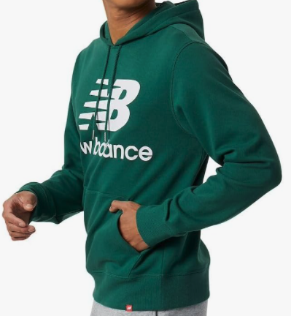
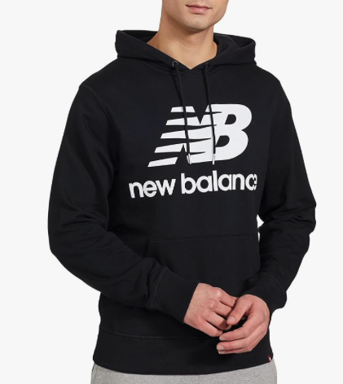
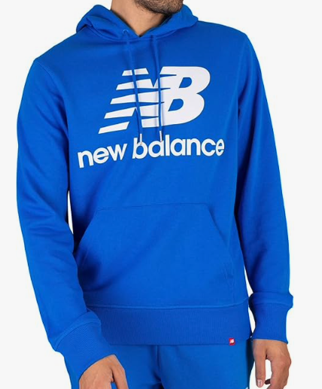
NEW BALANCE Hoodies!
ONLY 2,880 units available (subject to final count/ subject to prior sale)
1 Style/ 5 Colours...
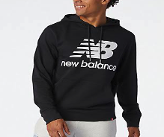
Black - 480
Red - 480
Green - 720
Blue - 480
Navy- 720
Cotton-rich French terry lined
Fixed hooded design with drawcord closure
Kangaroo front pocket
Slightly dropped shoulders
Branded design
Ribbed cuffs and hem
Sizes: S - XL
Packed 4-8-8-4 / Case Pack: 24
Solid Colour per case
Full Hang Tags
MSRP $74.99
OFFER PRICE: $21.00
All inventory FOB Etobicokei, ON
 |  |  |  | SMALL | MEDIUM | LARGE | X-LARGE | TOTAL | CASE PACK | TTL CASES | PRICE | SOLD | BALANCE
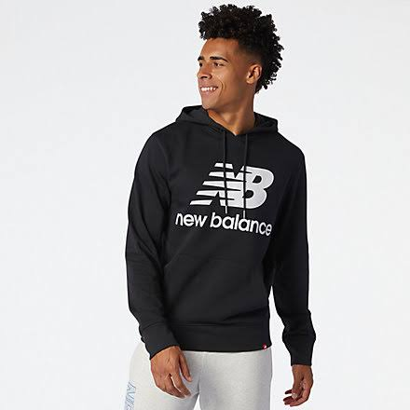
 |  |  | MNB1000-Black | 511 | 490 | 271 | 243 | 1,515 | 24 | 63.13 |  | 1,035 | 480
 | NEW BALANCE |  | MNB1000-Red | 413 | 395 | 197 | 211 | 1,216 | 24 | 50.67 |  | 736 | 480
 | 5 COLORS | MNB1000 | MNB1000-Green | 446 | 463 | 245 | 270 | 1,424 | 24 | 59.33 |  | 704 | 720
 |  |  | MNB1000-Blue | 388 | 411 | 199 | 181 | 1,179 | 24 | 49.13 |  | 699 | 480
 |  |  | MNB1000-Navy | 342 | 351 | 169 | 157 | 1,019 | 24 | 42.46 |  | 299 | 720

